Ecoscore - Questionnaire
Barco ecoscore questionnaire |  |  |  |  | Date: | Tool version | v9
This questionnaire is used to calculate the Barco Ecoscore of a device. Please try to complete as many questions as possible. Give a description of what has been implemented in the device in the column 'Explanation/remarks' and add the name of the person responsible in the team. If a question is not applicable to the device, fill in 'Not applicable' |  |  |  |  | Last review date: | Type of device |  | 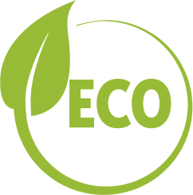
Topic | Question | Explanation/Remarks | Responsible | ECO review | Reference | Criterium for score 1 | Criterium for score 2 | Leg. Req. | Weight | Max | Score | Comment/Supporting evidence | Regulatory conflict?
General |  |  |  |  |  |  |  |  |  |  | D
Identification
 | Name of the NPI delegate and other responsibles
 | Model and part number
 | Description of the device or component
 | Intended use
 | Brand
 | Complete ESG class tab
 | Complete Batteries tab |  |  |  |  |  |  | x
 | Reference product - List benchmark and competitors in tab 'Benchmark Competition' |  |  |  |  |  |  | x
 | Ecoscore Target Please list the score of previous product and the new one
Energy |  |  |  |  |  |  |  |  |  |  | 0% |  | 0
E1 - Power supply efficiency |  |  |  |  | EU Ecodesign, US DOE, TCO, Energystar, 80-Plus label |  |  |  |  |  |  |  | NO
E1.1 | What is the efficiency level of the external power supply according to the Energystar standard? (e.g. Level VII) Interoperable EPS must include at least one USB‑C or USB‑PD port and carry the "Common Charger" logo (not mandatory for registered medical devices)
E1.2 | What is the efficiency of the internal power supply at 100% loading conditions? (in %) - Is the internal power supply single output or multi output? If PSU is acting as UPS (with BBU) efficiency of the PSU is NA and only the efficiency of the device as a whole is considered.
E1.3 | What is the power factor of the internal power supply at 50% or 100% loading condition? Note: mandatory score 2 for servers
E2 - Energy Efficiency and Climate Change mitigation |  |  |  |  | Energystar, TCO, Green procurement |  |  |  |  |  |  |  | NO
E2.1 | What is the power consumption in normal/active mode per delivered capability or standardized testing methodology (e.g. lm/W & color spectrum, HDR)? Is the product Energystar 8.0 certified? Please provide documentation. Provide energy test report and fill in the 'Benchmark Competition' tab.
E2.2 | Or, demonstrate carbon reduction compared to previous model Provide LCA reports showing kg CO2 eq emissions reduction from current to previous model.
E3 - Standby mode/off mode |  |  |  |  | EU Ecodesign, Energystar, TCO |  |  |  |  |  |  |  | NO
E3.1 | Is there a standby mode? If yes, what is the power consumption in standby mode? (W)
E3.2 | Is there a networked standby mode? (= a mode in which the product can be activated remotely) If yes, what is the power consumption in networked standby mode? (W)
E3.3 | Is there an off mode? If yes, what is the power consumption in off mode? (W)
E4 - Power management function |  |  |  |  | EU Ecodesign, Energystar, TCO |  |  |  |  |  |  |  | NO
E4.1 | Please answer all the items: - Is there a power management function (that brings the device automatically into a low power mode when no content is shown)? Describe. - After how much time of inactivity does the device enter the low power mode? - Is the power management function enabled by default? - What is the product's reactivation time? Is it adjusted to the user's convenience level?
E4.2 | Is there any documentation (e.g. manual, website) with instructions for users on how to use the device in order to minimise its environmental impact during installation, use, maintenance and recycling/disposal, including instructions on how to optimise the consumption of energy, reducing GHG emissions?
M - Material |  |  |  |  |  |  |  |  |  |  | 0% |  | 0
M1 - Full material declaration |  |  |  |  | EPEAT |  |  |  |  |  |  |  | NO
M1.1 | Are Full Material Declarations available from suppliers? Criteria: % of components/M% (weight/weight %) covered by BOM.
M1.2 | Are there permanent magnets? E.g. Hard Drive, Speakers: Disclose presence, type and end‑of‑life removability documented; recycled content disclosed where magnet mass exceeds 0.2 kg according CMRT obligations
M1.3 | Note: all hazardous substances, including PFAS, shall be disclosed according to https://www.barco.com/content/dam/bynder/documents/other/Barco-substances-list-1.pdf
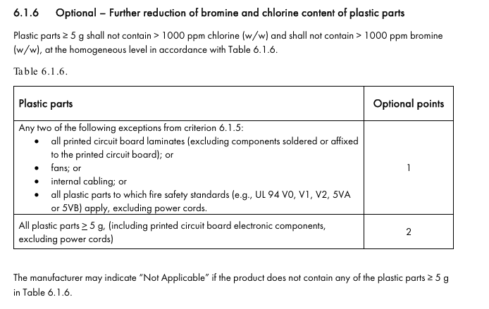
M2 - Halogens in PCBs and Cables |  |  |  |  | Chemical tax law Sweden, EPEAT |  |  |  |  |  |  |  | NO
M2.1 | Does the device contain halogen-free PCB's (= free of halogenated flame retardants)? If yes, how many of the PCB's are halogen-free? (w/w% or #/#%) List PCB(A) parts in tab 'PCB & Cable' and complete info.
M2.3 | Does the device contain halogen-free cables? (internal and/or external cables, if country specific power cable is shipped this can be excluded from calculation) If yes, how many of the cables are halogen-free? (w/w% or #/#%) List cables in tab 'PCB & Cable' and complete info.
M3 Halogen-free plastics |  |  |  |  | Ecodesign, TCO, EpeAT, Blue Angel |  |  |  |  |  |  |  | NO
M3.1 | Are the plastic parts halogen-free? List plastic parts in tab 'Plastics and Metal parts' and complete info.
M4 - Environmental impact |  |  |  |  | EPEAT Climate |  |  |  |  |  |  |  | NO
M4.1 | Environmental Impact: - Has a Life Cycle Assessment (LCA) been conducted? - Have the main hotspots components been identified? Please provide Bill of Material for LCA or weight per material on "Environmental Impact" tab. |  |  |  | EPEAT Climate
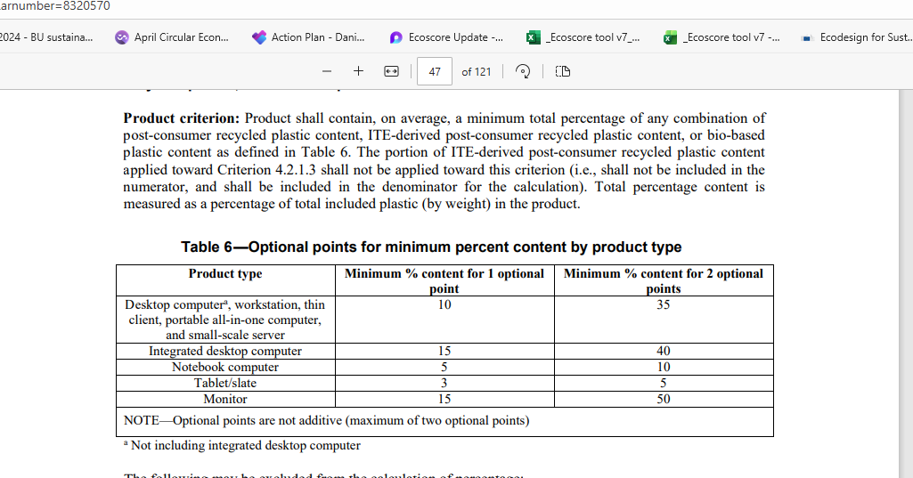
M4.2 | Supplier Commitment Assessment: - Are suppliers of hotspot components commited to reduce CO2 emissions? |  |  |  | EPEAT Climate
M5 - Recycled or low carbon third-party certified material in product |  |  |  |  | EPEAT, Philips |  |  |  |  |  |  |  | NO
M5.1 | Does the product contain recycled plastics? If yes, what is the amount of postconsumer (PCR) or postindustrial (PIR) recycled plastic? (weight recycled plastic/weight total plastic or %) Or, does the product contain low carbon third-party certified material? Provide documentation. Provide this information in tab 'Plastic parts' and recycled content declarations.
M5.2 | Does the device contain recycled metals in the housing and or base frame exceeding UNEP rates? E.g. average recycled content rate for Aluminium, Steel and Magnesium ≥ 25% Please provide information on Metals used in "Plastic and Metal parts"
M6 - Batteries |  |  |  |  |  |  |  |  |  |  |  |  | NO
M6.1 | Does the product contain batteries? If yes, how many of each type? Indicate if they are rechargeable or not. Please provide information in 'Batteries' tab and evidence for reports and CE marking.
M6.2 | Are the batteries easily accessible and replaceable without causing damage, and can they be replaced with commonly available tools? If so, specify the tools required. Non-rechargeable batteries shall be of a commonly available type (e.g., AA, CR).
M6.3 | What is the tested state of health of the rechargeable battery after 300 cycles, according to the standard IEC EN 61960-3-2017? Please provide test report.
P - Packaging & Logistics |  |  |  |  |  |  |  |  |  |  | 0% |  | 0
P1 - Optimized product packaging design |  |  |  |  | EMCA-341, Philips |  |  |  |  |  |  |  | NO
P1.1 | What is the total weight of the packaging material? Please fill in the 'Packaging' tab.
P1.2 | Fill in the packed weight (kg) and the outer dimensions in the sheet 'Packaging' (include device, packaging, accessories, etc.)
P2 - Optimized packaging incoming goods for assembly and costumer reverse logistics |  |  |  |  | - |  |  |  |  |  |  |  | NO
P2.1 | Packaging for incoming goods: - Are the relevant assembly parts delivered in bulk to Barco without individual packaging? - Is reusable packaging utilized for shipping the relevant assembly parts? Bulk: Combine multiple products or parts (minimum of 2) into a single bulk package. Single-use bulk packaging should use less material compared to individual unit packaging
P2.2 | Costumer reverse logistics: - Is the packaging foldable and is its volume reduced in case of shipping back for service/upgrade/reverse logistics? NA if the product would never be shipped back, or reusable packaging
P3 - Logistics/stacking |  |  |  |  | - |  |  |  |  |  |  |  | NO
P3.1 | Is the packaging design optimized for a standard pallet (e.g.: 1200x800)? NA pallets part of product packaging BOM. Not including displays.
P3.2 | How many % of the pallet surface is used? Provide supporting drawings.
P3.3 | - Have specific actions been taken to optimize transport? - For which transportation mode is the packaging optimized? (packaging of spare parts not in scope) - What is the stacking height? See stacking heights in Definitions tab and QAM_PAC02.
P4 - Packaging recyclability |  |  |  |  | EPEAT, PPWR, EUDR |  |  |  |  |  |  |  | NO
P4.1 | List all packaging materials with their respective weights and recycled content in sheet 'Packaging' Provide EU Declaration of Conformity to PPWR contains all the packaging items. (mandatory from Aug 2026) Provide DDS (due diligence statement) regarding EU deforestation regulation from supplier of packaging from natural sources (cardboard and wooden pallet). (mandatory from Dec 2026)
P4.2 | Can all packaging materials easily be separated, without the use of tools?
P4.3 | The employed materials results in mass weight average material ecopoint score <110 | No input required here.
P5 - Recycled content in packaging |  |  |  |  | EPEAT, PPWR |  |  |  |  |  |  |  | NO
P5.1 | How many types of cardboard are used? (% per type + weight) How big is the recycled content in the cardboard in each type? | No input required. Fill in the Packaging tab.
P5.2 | Is the virgin cardboard used sourced from sustainably managed forests (e.g. FSC, PEFC, SFI etc)? (documentation required)
P5.3 | Do the plastic packaging parts contain recycled content? If yes, in what percentage? | No input required. Fill in the Packaging tab.
P6 - Number of accessories in the box |  |  |  |  | - |  |  |  |  |  |  |  | NO
P6.1 | Please answer the questions about accessories and parts below: - Which accessories will be included in the box? Please specify accessory type and quantity. - What efforts have been made to reduce the number of accessories? - Is it possible for customers to exclude specific items (e.g., stands, cables) from their purchase? |  |  |  | NSF-426-2019 - 2024
C - End of life optimization - Circularity |  |  |  |  |  |  |  |  |  |  | 0% |  | 0
C1 - Lifetime extension |  |  |  |  | EPEAT, TCO, Blue Angel, EU Ecodesign, Nordic Ecolabel |  |  |  |  |  |  |  | NO
C1.1 | How many standard years warranty/service contract are guaranteed? Are extended years warranty/service contracts possible? If yes, how many years?
C1.2 | How many years will spare parts be available after end-of-life?
C1.3 | Durability: Document Product Expected Lifetime or Reference Service Life calculated (PEL, RSL) Standards for guidance: EN 61709:2017; EN 45552:2020 |  |  |  | EN 61709:2017; EN 45552:2020
C1.4 | Reliability: Document Mean Time Between Failures (MTBF) assessment at equipment level (B10, B50) Check Definitions tab |  |  |  | EN 45552:2020
C2 - Repairability: service model |  |  |  |  | French Durability Index, EU Right to Repair (EU 2024/1799), EN 45554:2020 |  |  |  |  |  |  |  | NO
C2.1 | Will the product be repaired? If yes, can the repair of critical components be done on-site? |  |  |  | EN 45554:2020
C2.2 | Will the device be connected for service (diagnostic support) and/or predictive maintenance? (NA if in conflict with safety or data protection regulations) |  |  |  | EN 45554:2020
C2.3 | No restrictions against the use of second hand or remanufactured service components (data protect, compliancy or regulatory exemption are NA) |  |  |  | EU Right to Repair (EU 2024/1799)
C3 - Repairability: spare parts |  |  |  |  | EU Ecodesign, JWG10, EN 45554:2020 |  |  |  |  |  |  |  | NO
C3.1 | Which spare parts are available? |  |  |  | EN 45554:2020, EU Ecodesign
C3.2 | - Is the list of spare parts and the process to order spare parts visible on the website? Provide the link. - Can repair and maintenance information be accessed by a professional repairer? Where no safety or electrical risk exists, manufacturers provide clear repair instructions (e.g. hard or soft copy, video, 3D printing file) and make them publicly available, to enable a non-destructive disassembly of products for the purpose of replacing key components or parts for upgrades or repairs. |  |  |  | EN 45554:2020, EU Ecodesign
C4 - Design for disassembly/repair |  |  |  |  | EPEAT, EU Ecodesign, TCO, Blaue Angel, ITU-T L.1023, EN 45554:2020, EN 45553:2020 |  |  |  |  |  |  |  | NO
C4.1 | Can the housing, chassis and critical parts be removed with commonly available tools? How many tools are needed? (Check critical parts under Repairability: Spare parts criteria, column G)
C4.2 | - Are the fasteners visible or marked? - Can fasteners be reused?
C4.3 | Is the product compliant to Cyber Resilence Act? (CRA)
C4.4 | Are PCB(A) assemblies potted?
C4.5 | Are the following technical documentation available at FQR? - WEEE recycling passport available on free accessible website (External PSU, charger and AC Adapters are exempted from the disassembly instructions) - Service Manual with exploded view available for complex products, diagrams/drawings with the location of access points and fasteners
C5 - Modularity/Upgradability |  |  |  |  | EPEAT, JWG10 |  |  |  |  |  |  |  | NO
C5.1 | Is modularity in electronic components maximized? This, by using discrete building blocks that are part of a common platform or family, or this, by using building blocks that are genericly interchangeable. >50% number based of product building blocks shall fit this definition.
C5.2 | - Is the device upgradable? If yes, please fill in the Impact criteria tab with at least 3 examples. Check definitions tab. | Fill in the 'Impact criteria' tab (if Impact criteria sheet is not filled we consider the device not upgradable) |  |  | EN45554:2020
C5.3 | How many years will latest firmware be available after end-of-life? Firmware should be available on the website or any other free access portal. |  |  |  | EU ecdesign for displays and servers, EPEAT Circularity
C6 - Product recyclability |  |  |  |  | EU Ecodesign, Nordic Ecolabel, TCO, EPEAT, Blaue Angel, ITU-T L1023, EN 45555:2019 |  |  |  |  |  |  |  | NO
C6.1 | Please answer all questions about recyclability targets met for this product, in line with 45555:2019: - Use of single polymer or recyclable polymer blend according to matrix (Definitions tab)? Please list the type of polymer or metals used - Materials which cannot be recycled together have the ability to be separated? - Are there in-mould metal inserts or glue-on metal? - Improving recyclability rate does not harm the durability of the system itself? |  |  |  | EN 45555:2019
C6.2 | Has the product's recyclability rate been calculated?
C6.3 | Are plastic parts weighing >25g marked according to ISO 11469 & ISO 1043 1-4? (e.g. <ABS-FR(52)>) In case of OEM/ODM, provide photo's/2D drawings. Legal marking requirement applies for parts >50g (cf. Ecodesign reg. for Displays) Markings are mandatory for non-medical displays, computers and servers. |  |  |  | ISO 11469, ISO 1043 1-4
C6.4 | Are housing/enclosure parts painted/coated? (paint is allowed for metals, recycled content plastics or coating for EMI purposes)

RESULT |  |  |  |  |  |  |  |  |  |  |  |  | #N/A | #N/A | 0
 |  | Energy |  | D |  | Executed by: |  |  |  |  |  |  | #N/A | #N/A | 0
 |  | Materials |  | D |  | Reviewed by: |  |  |  |  |  |  | #N/A | #N/A | 0
 |  | Packaging & Logistics |  | D |  | Review status |  |  |  |  |  |  | #N/A | #N/A | 0
 |  | End-of-life optimization - Circular Economy |  | D |  |  |  |  |  |  |  |  |  |  | 0
 |  | Ecoscore |  | D

Ecoscore
 | A | B | C | D
Energy | #N/A | #N/A | #N/A | 0
Materials | #N/A | #N/A | #N/A | 0
Packaging & Logistics | #N/A | #N/A | #N/A | 0
End-of-life optimization - Circular Economy | #N/A | #N/A | #N/A | 0

Environmental impact
Material | Weight (kg) | Recycled content % | CO2 impact kg/kg | CO2 impact (kg) | Ecotoxicity, freshwater​ (CTUe per kg) | Ecotoxicity, freshwater​ (CTUe ) | Eutrophication, freshwater​ (kg P eq/kg) | Eutrophication, freshwater​ kg P eq | m3 per kg | Water use (m3) | kg Sb eq per kg | Resource depletion (kg Sb eq) | % Makersite | % recycling rates | Recycled weight (kg) | Recyclable weight (kg)
Boards |  |  |  | 0 |  | 0 |  | 0 |  | 0 |  | 0 |  |  | 0 | 0
Cables |  |  |  | 0 |  | 0 |  | 0 |  | 0 |  | 0 |  |  | 0 | 0
LCD panel |  |  |  | 0 |  | 0 |  | 0 |  | 0 |  | 0 |  |  | 0 | 0
Aluminum |  |  |  | 0 |  | 0 |  | 0 |  | 0 |  | 0 |  |  | 0 | 0
Steel |  |  |  | 0 |  | 0 |  | 0 |  | 0 |  | 0 |  |  | 0 | 0
Glass |  |  |  | 0 |  | 0 |  | 0 |  | 0 |  | 0 |  |  | 0 | 0
Plastic |  |  |  | 0 |  | 0 |  | 0 |  | 0 |  | 0 |  |  | 0 | 0
Cardboard |  |  |  | 0 |  | 0 |  | 0 |  | 0 |  | 0 |  |  | 0 | 0
EPE Foam |  |  |  | 0 |  | 0 |  | 0 |  | 0 |  | 0 |  |  | 0 | 0

Total weight | 0

 |  | Eco impact |  | CO2 footprint (kg) |  | Ecotoxicity, freshwater​ (CTUe ) |  | Eutrophication, freshwater​ kg P eq |  | Water use (m3) |  | Resource depletion (kg Sb eq) |  |  | Recycled content | Recycling rate
 |  |  |  | 0 |  | 0 |  | 0 |  | 0 |  | 0 |  |  | #DIV/0! | #DIV/0!

 |  | Normalized Eco impact |  | 0 |  | 0 |  | 0 |  | 0 |  | 0 |  |  | 0
 |  |  |  | #DIV/0! | #DIV/0! | #DIV/0! | #DIV/0! | #DIV/0! | #DIV/0! | #DIV/0! | #DIV/0! | #DIV/0! |  |  | 100%

CO2 impact per material
Eutrophication impact per material

Ecotox impact per material
Water consumption per material

Resource depletion per material

